1. Title Page
Instacart Grocery Analysis

Project Name: Instacart Grocery Analysis
Date: October 30, 2022
Analyst Name: Ally Fornino

Contents:
Population Flow
Consistency checks
Wrangling steps
Column derivations
Visualizations
Recommendations

Data Citation: “The Instacart Online Grocery Shopping Dataset 2017”, Accessed from https://www.instacart.com/datasets/grocery-shopping-2017 on 10/27/2022.
Note: customer data and 'prices' column in the products data set were fabricated for learning purposes

2. Population Flow
Population flow

Exclusion flag
Condition: max_order < 5
Obervations to be removed: 1,440,295
Final total count of order_products_all: 30,964,564

Orders_products_combined
Orders_products_merged
Orders_products_all

Total: 32,434,489 rows
Total: 32,404,859 rows
Total: 30,964,564 rows

1.) The grey boxes in the first row of the population flow represent the original data sets as they were when you downloaded them. In the Total fields you need to add the count of the rows when you imported the data set into Jupyter.
2.) The second row of boxes (coloured) represents the data sets after you manipulated them, e.g., removed missing values and duplicates. In the Total fields you need to add the count of the rows after conducting these operations. This offers a visual oveview of how the data flows throughout the data consistency checks.
3.) The third row, where also the arrows are coloured, represents the merges you performed between the datasets. In the Total fields you need to add the count of the rows in the merged datasets, so that you end up with the final dataset (in the red box). Keep in mind the final dataset should be without exclusions (based on the exclusion flag).

3. Consistency checks
 |  |  |  | Title page
Consistency checks

Dataset | Missing values | Missing values treatment | Duplicates
orders | 206209, days_since_prior_order | New column created that flags new customers | No duplicates
products | 16 missing values, product_name | New df without missing values created | 5 duplicate observations removed
orders_products_prior |  |  | No duplicates
customers | 11,259 missing values, first_name | Remained NaN values as doesn't affect analysis (customers can still be identified with user_id) | No duplicates

4. Wrangling steps
Wrangling steps

Dataset | Columns dropped | Columns renamed | Columns' type changed | Comment/Reason
orders | eval_set |  |  | irrelevant to analysis
 |  | order_dow --> order_day_of_week |  | renamed for readability
 |  |  | order_id, user_id --> str | no numerical meaning
customers |  | First Name --> first_name |  | readability
 |  | Surnam -> last_name
 |  | Gender --> gender
 |  | STATE --> state
 |  | Age --> age
 |  | n_dependants --> num_dependents,
 |  | fam_status --> marital_status
 |  |  | first_name --> str | fixing mixed-type data
 |  |  | user_id --> str | no numerical meaning
ords_prods_all | _merge |  |  | irrelevant to analysis
 | first_name |  |  | contains PII Data
 | last_name

5. Column derivations
Column derivations and aggregations

Dataset | New column | Column/s it was derived from | Conditions
orders | new_customer | order_number | order_number == 1
ords_prods_merged | loyalty_flag | max_order | > 40 --> Loyal customer <= 40 & > 10 --> Regular customer <= 10 --> New customer
ords_prods_merged | spending_flag | average_order | >= 10 --> High spender < 10 --> Low spender
ords_prods_merged | frequency_flag | order_frequency | > 20 --> Non-frequent customer <= 20 --> Regular customer <= 10 --> Frequent customer
 | price_range | prices | <= 5 --> Low-range product > 5 & <= 15 --> Mid-range product > 15 --> High-range product
 | busiest_day | order_day_of_week | == 0 or == 1 --> Busiest days == 3 or == 4 --> Slowest days else --> Regularly busy
 | busiest_period_of_day | order_hour_of_day | >= 10 & <= 16 --> Most orders >= 0 & <= 6 --> Fewest orders else --> Average orders
ords_prods_custs | region | state | Northeast = ['Maine', 'New Hampshire', 'Vermont', 'Massachusetts', 'Rhode Island', 'Connecticut', 'New York', 'Pennsylvania', 'New Jersey'] Midwest = ['Wisconsin', 'Michigan', 'Illinois', 'Indiana', 'Ohio', 'North Dakota', 'South Dakota', 'Nebraska', 'Kansas', 'Minnesota', 'Iowa', 'Missouri'] South = ['Delaware', 'Maryland', 'District of Columbia', 'Virginia', 'West Virginia', 'North Carolina', 'South Carolina', 'Georgia', 'Florida', 'Kentucky', 'Tennessee', 'Mississippi', 'Alabama', 'Oklahoma', 'Texas', 'Arkansas', 'Louisiana'] West = ['Idaho', 'Montana', 'Wyoming', 'Nevada', 'Utah', 'Colorado', 'Arizona', 'New Mexico', 'Alaska', 'Washington', 'Oregon', 'California', 'Hawaii']
 | exclusion_flag | max_order | < 5 --> Yes (low activity) >= 5 --> No (high activity)
active | age_group_flag | age | < 30 --> Young adult >= 30 & < 65 --> Adult >= 65 --> Senior
 | income_group | income | < 40000 --> Low income >= 40000 & < 100000 --> Mid income >= 100000 --> High income
 | dependent_group | num_dependents | > 0 --> Has dependents == 0 --> No dependents

loyalty_flag
Regular customer 15876776
Loyal customer 10284093
New customer 6243990
Name: loyalty_flag, dtype: int64

spending_flag
Low spender 31770614
High spender 634245
Name: spending_flag, dtype: int64

frequency_flag
Frequent customer 21559853
Regular customer 7208564
Non-frequent customer 3636437
Name: frequency_flag, dtype: int64

price_range
Mid-range product 756450
Low-range product 243550
Name: price_range, dtype: int64

busiest_day
Regularly busy 12916111
Busiest days 11864412
Slowest days 7624336
Name: busiest_day, dtype: int64

busiest_period_of_day
Most orders 18663868
Average orders 12854170
Fewest orders 886821
Name: busiest_period_of_day, dtype: int64

region
South 10791885
West 8292913
Midwest 7597325
Northeast 5722736
Name: region, dtype: int64

age_group
Adult 16951417
Senior 8195544
Young adult 5817603
Name: age_group, dtype: int64

income_group
Mid income 15145137
High income 14207402
Low income 1612025
Name: income_group, dtype: int64

dependent_flag
Has dependents 23224883
No dependents 7739681
Name: dependent_group, dtype: int64

6. Visualizations
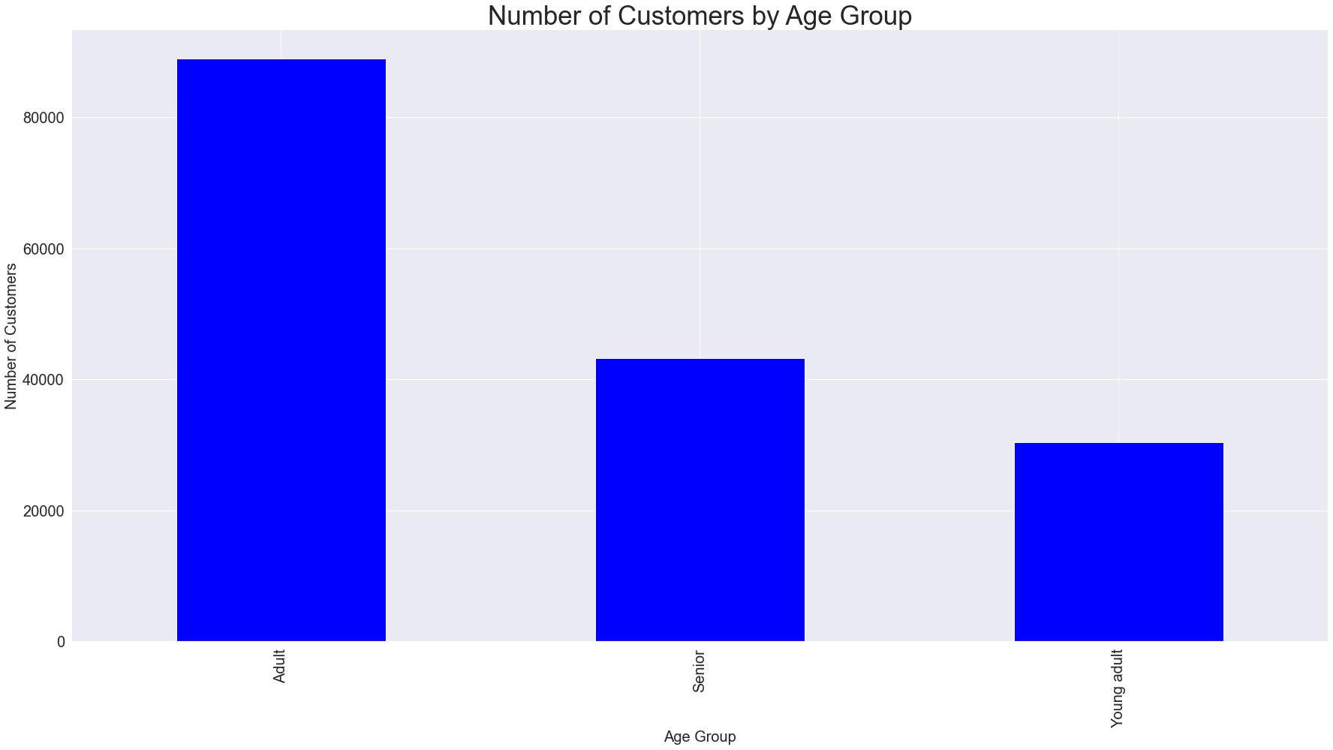
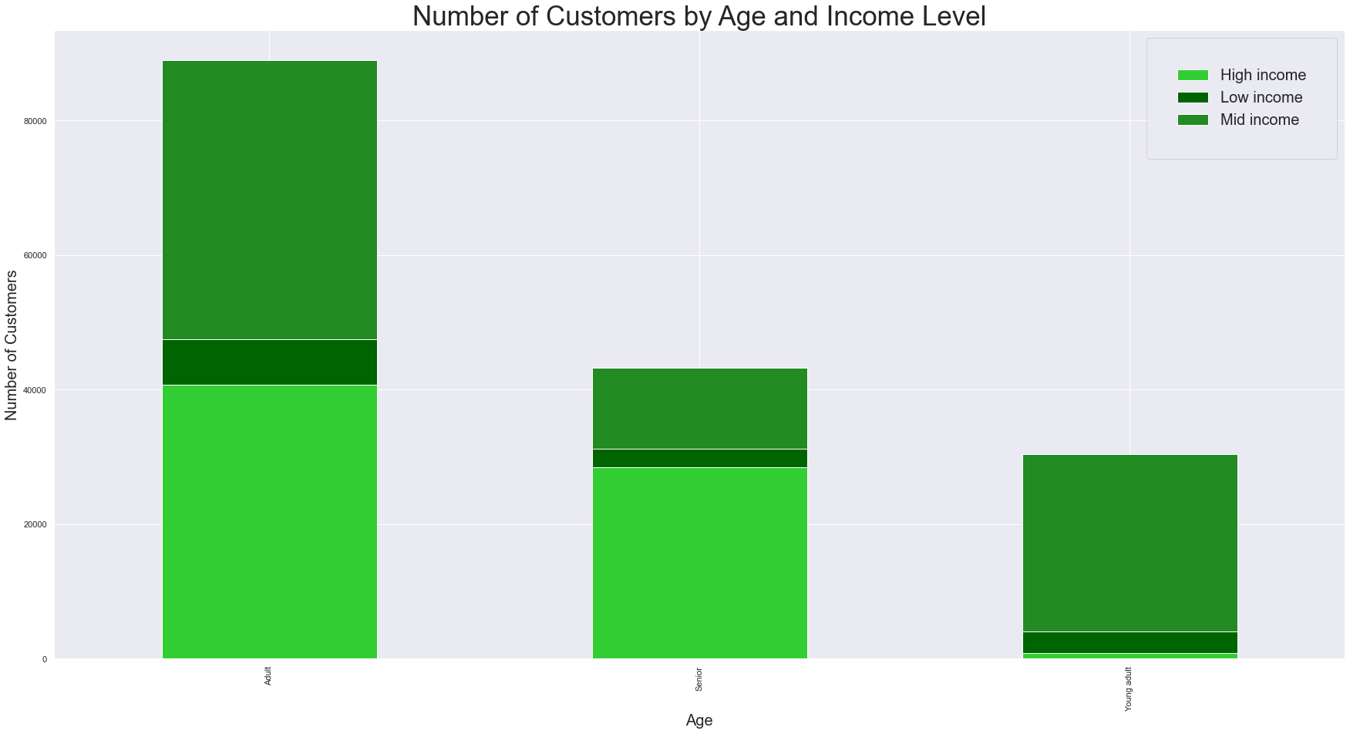
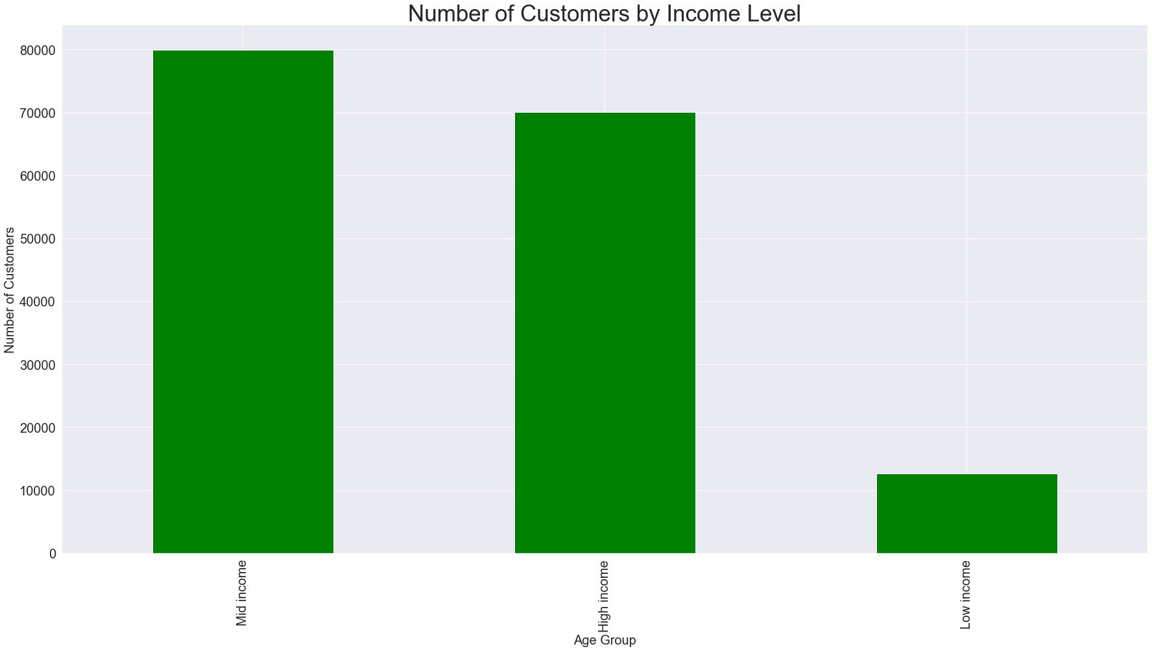
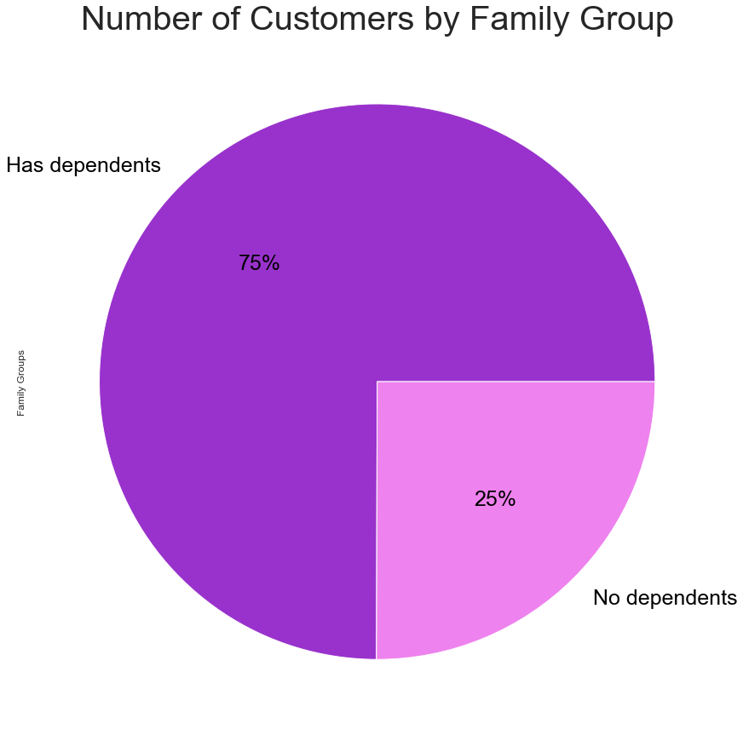
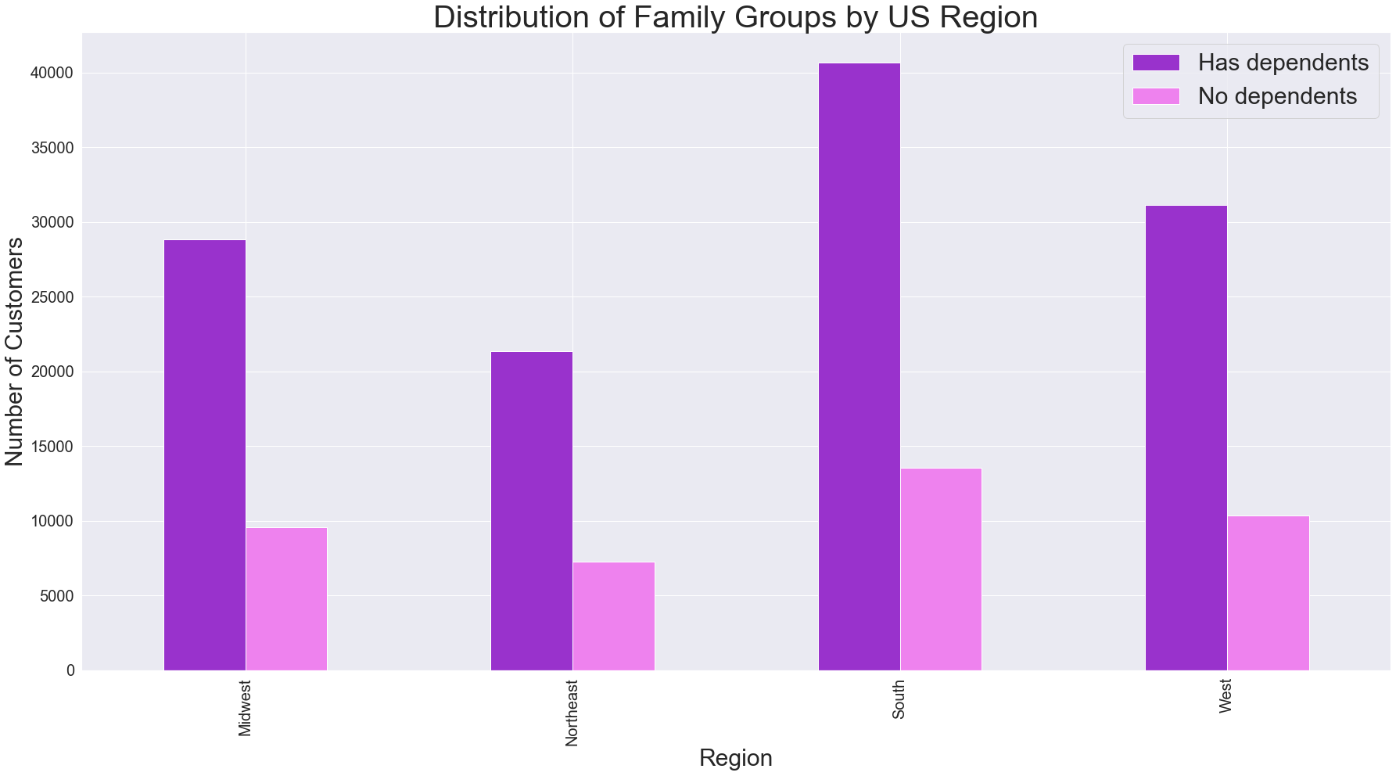
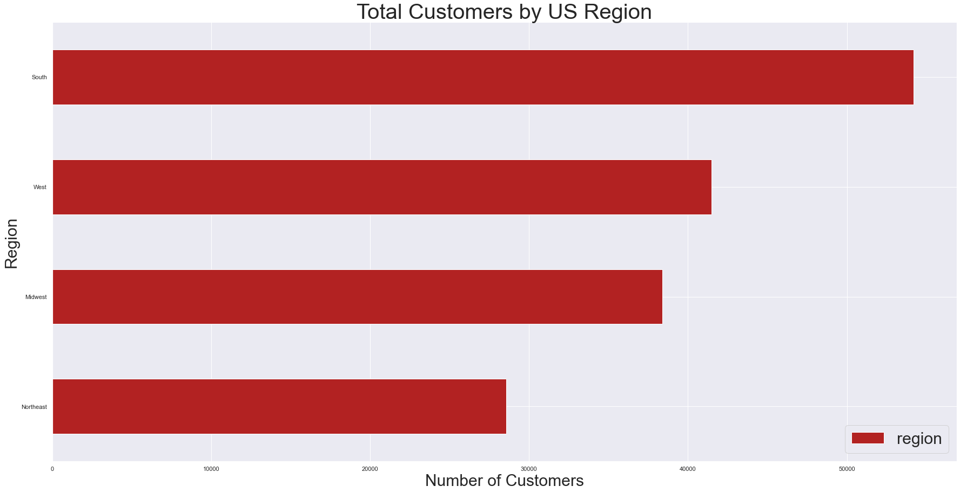
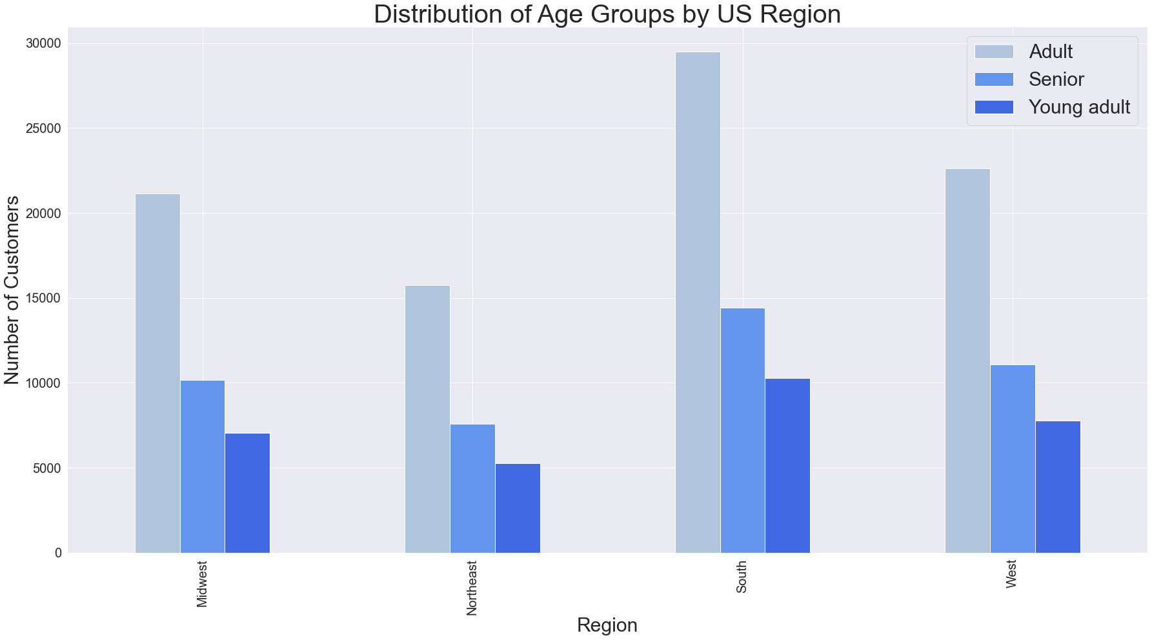
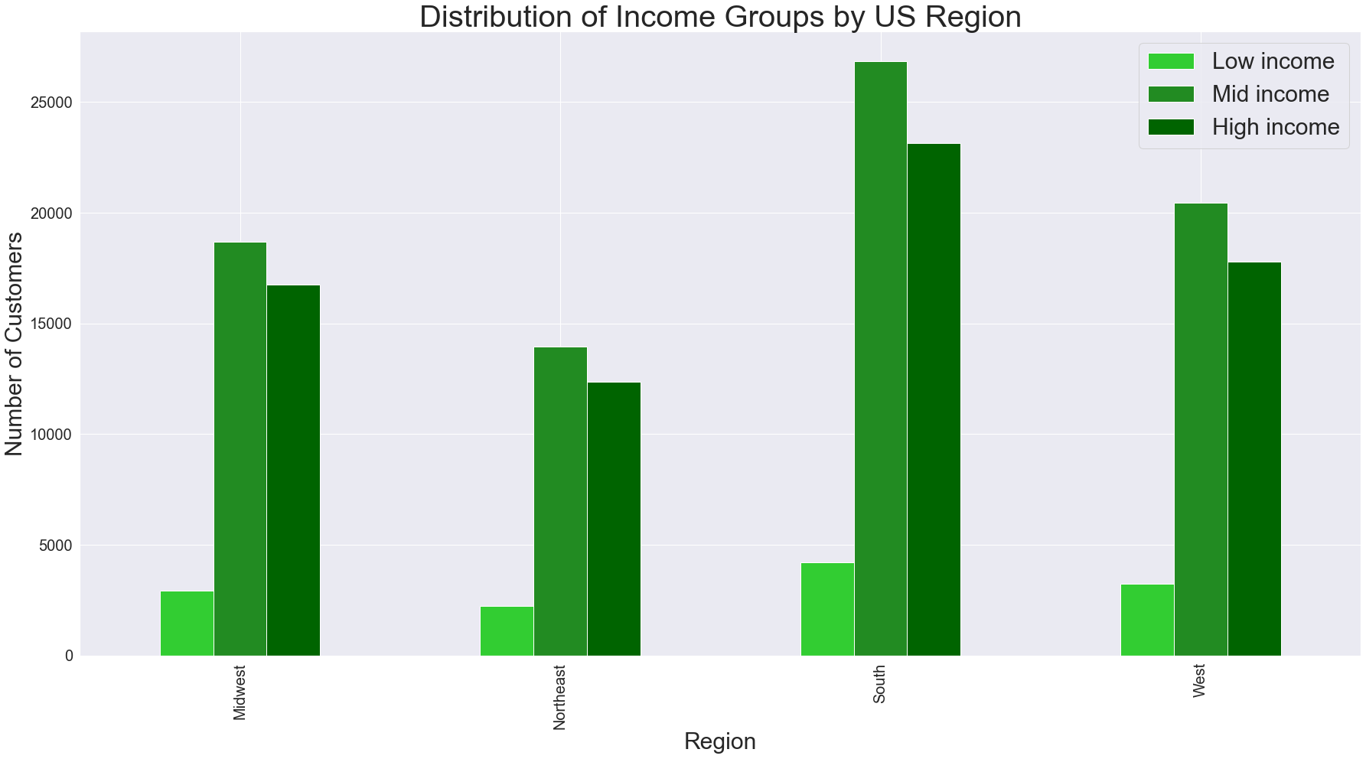
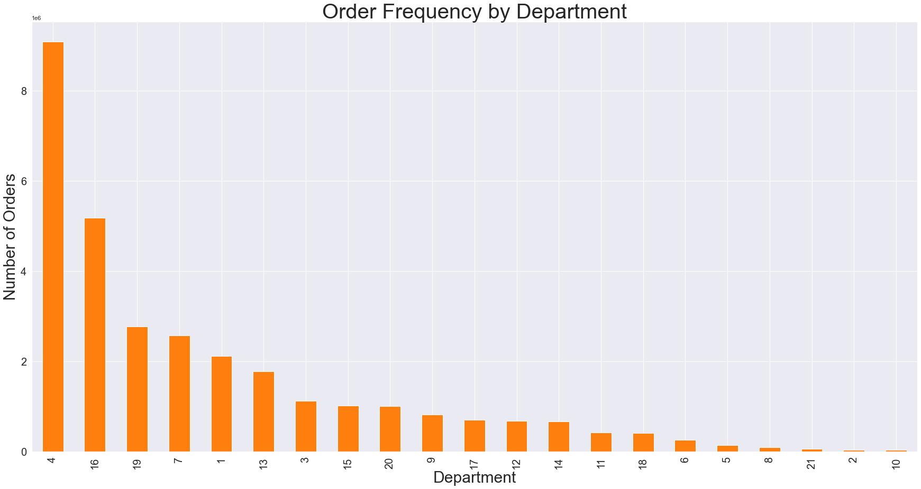
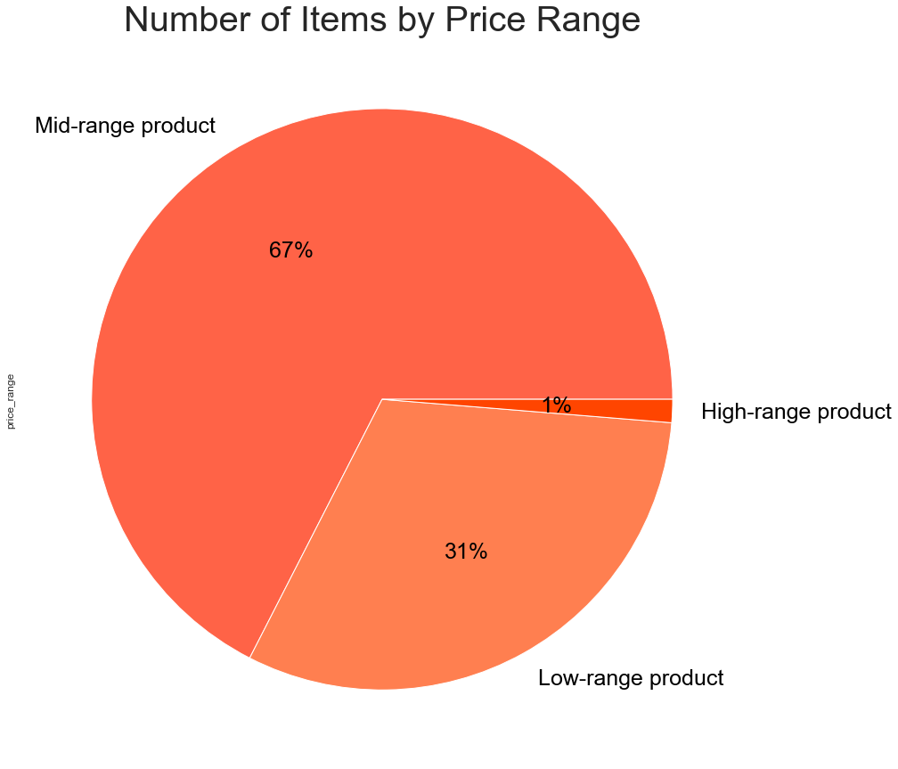
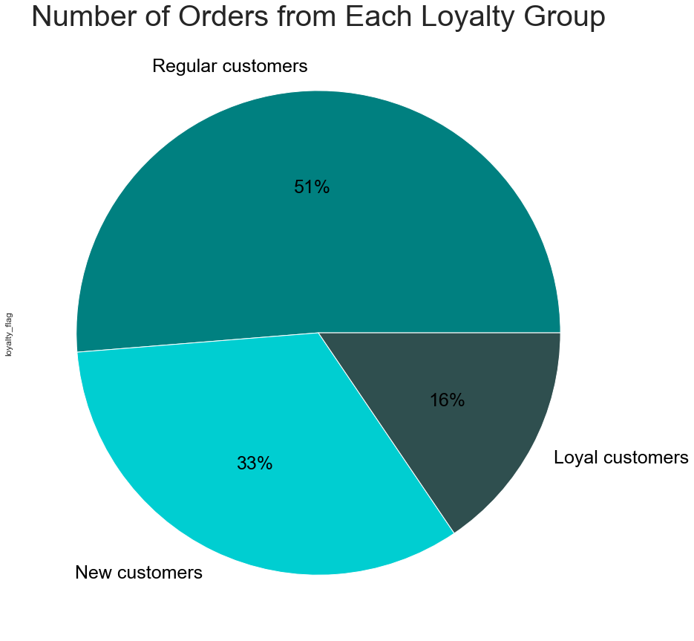
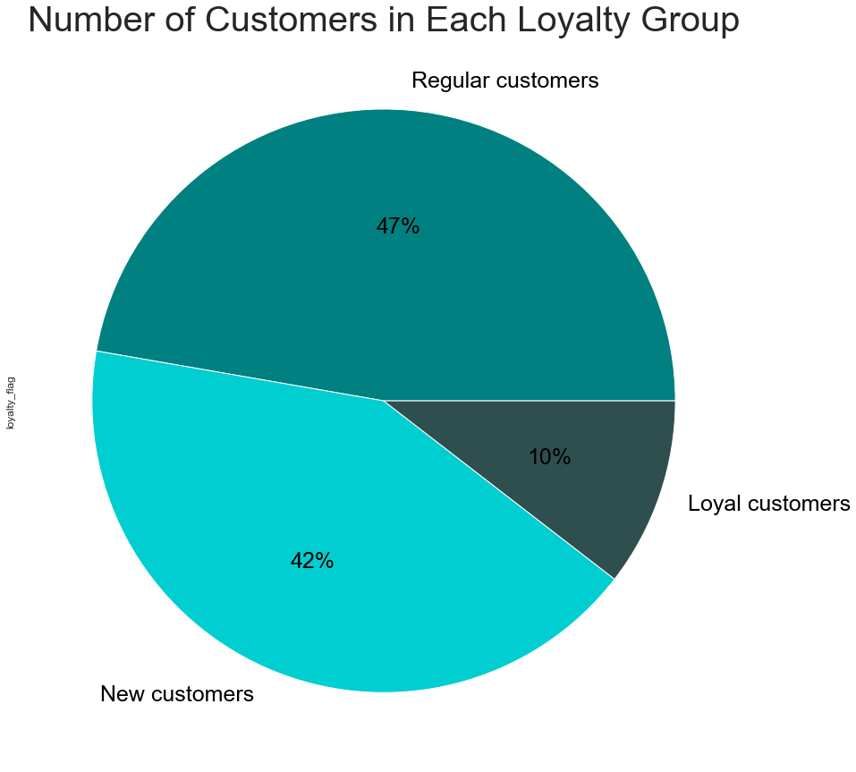
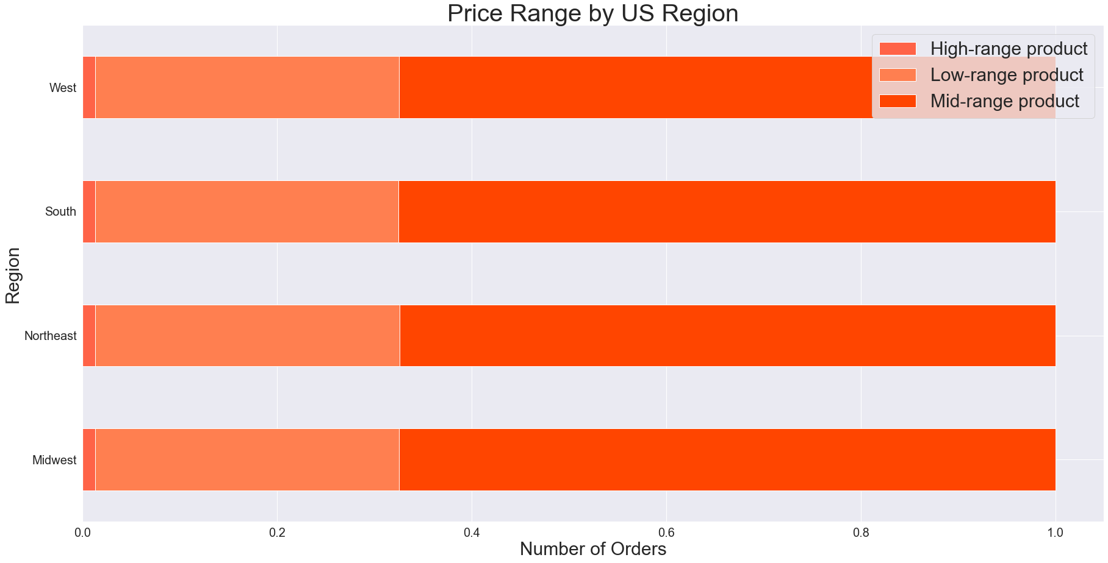
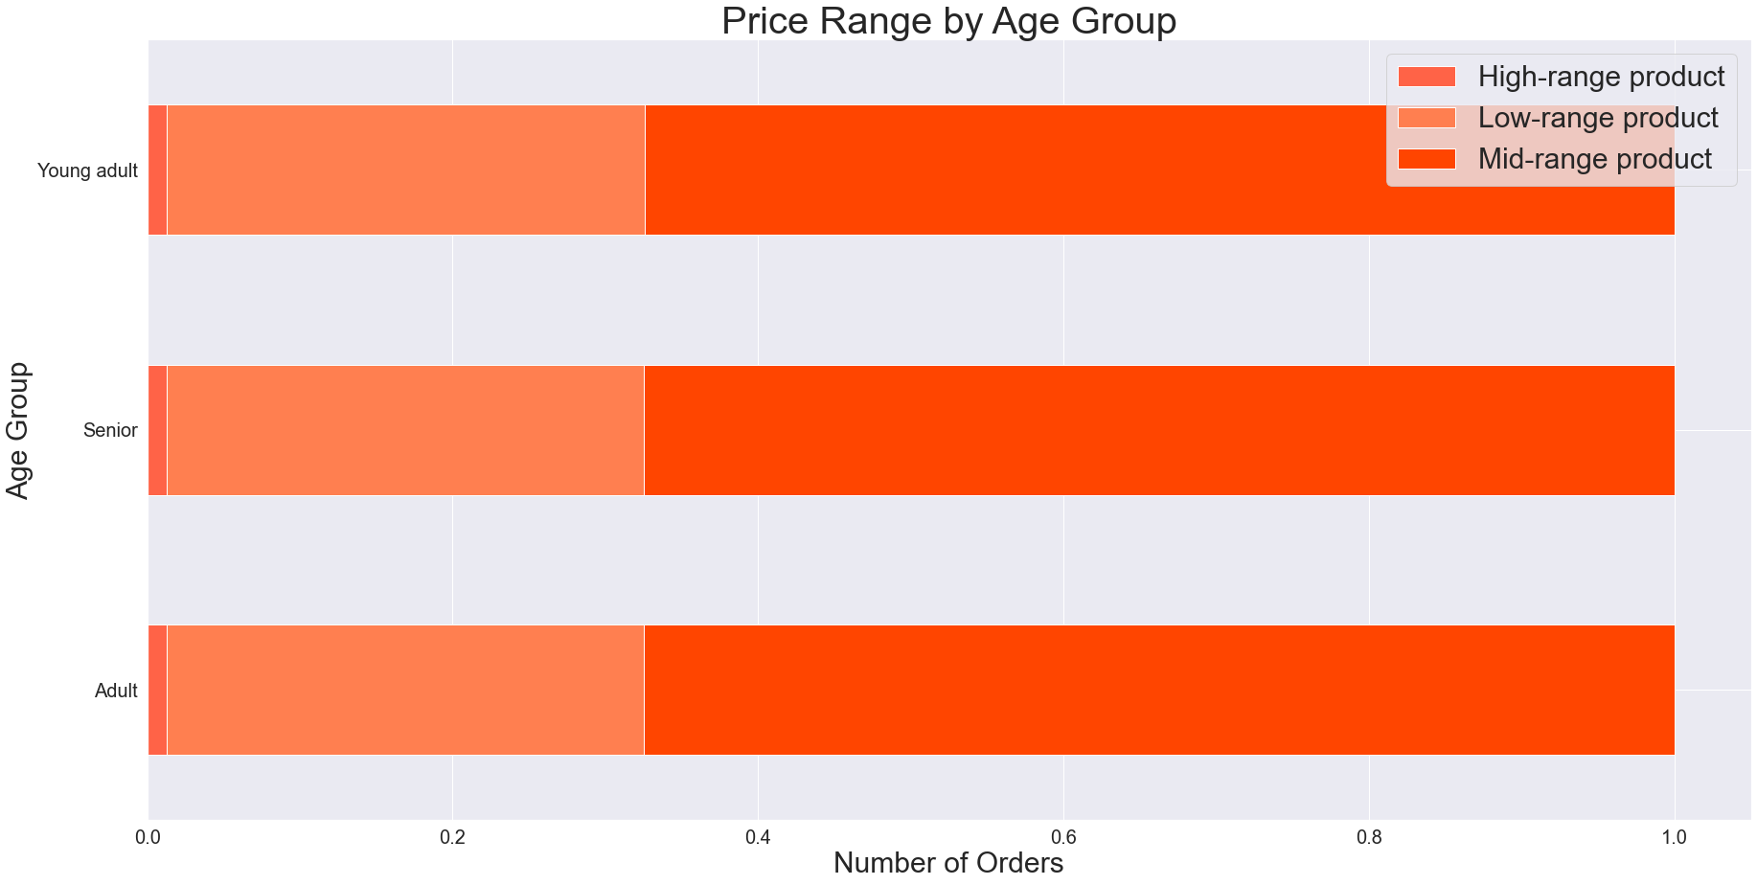
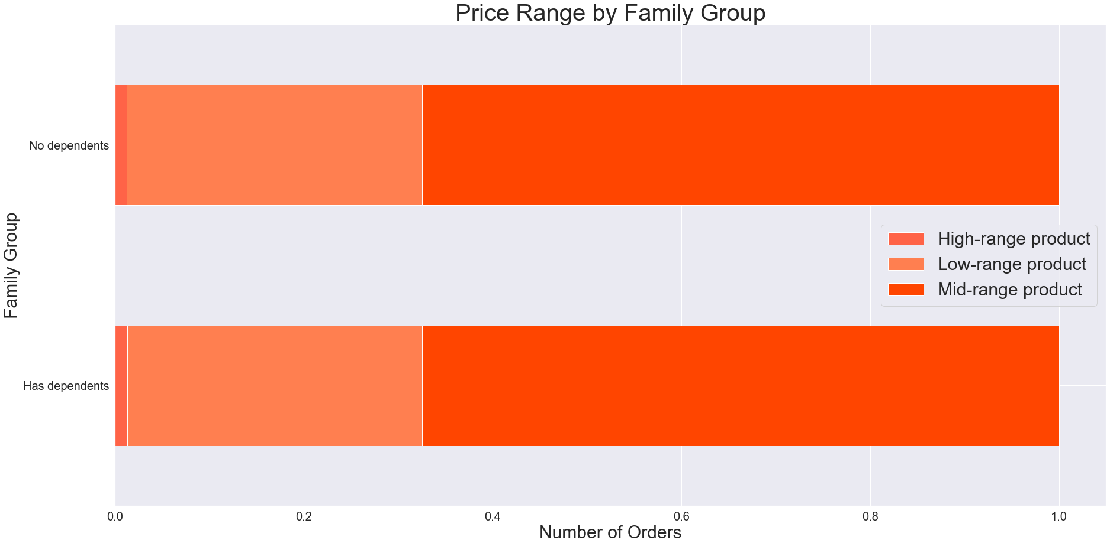
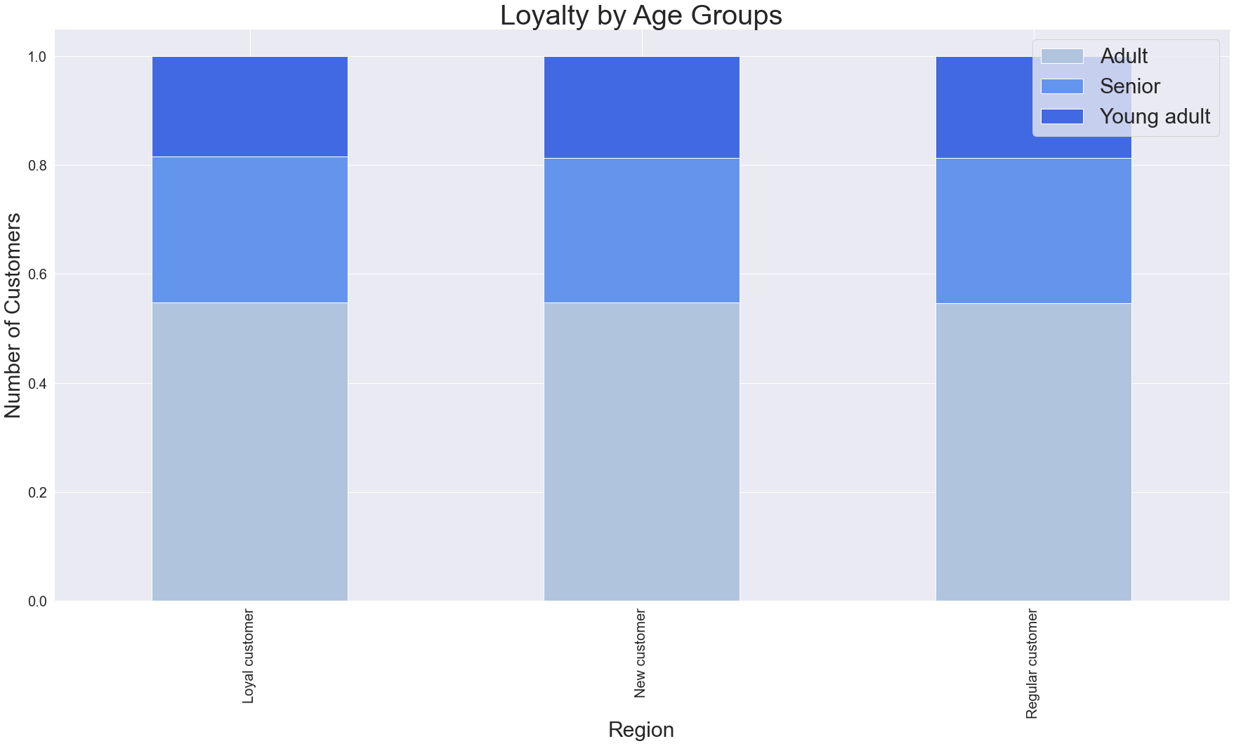
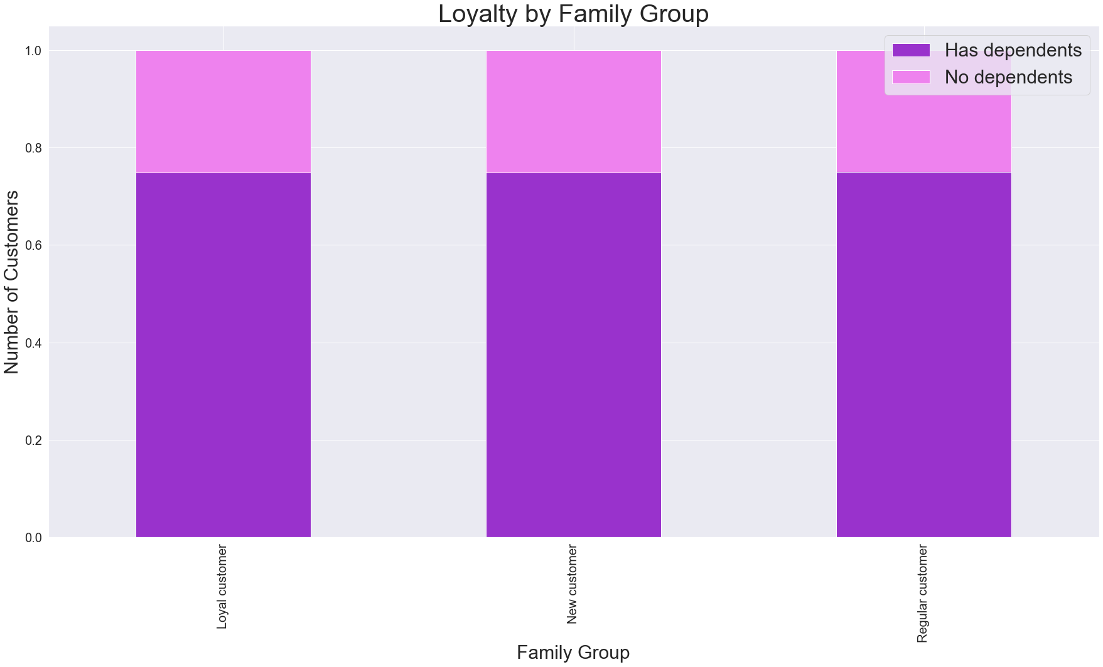
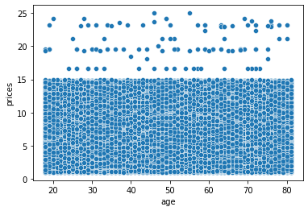
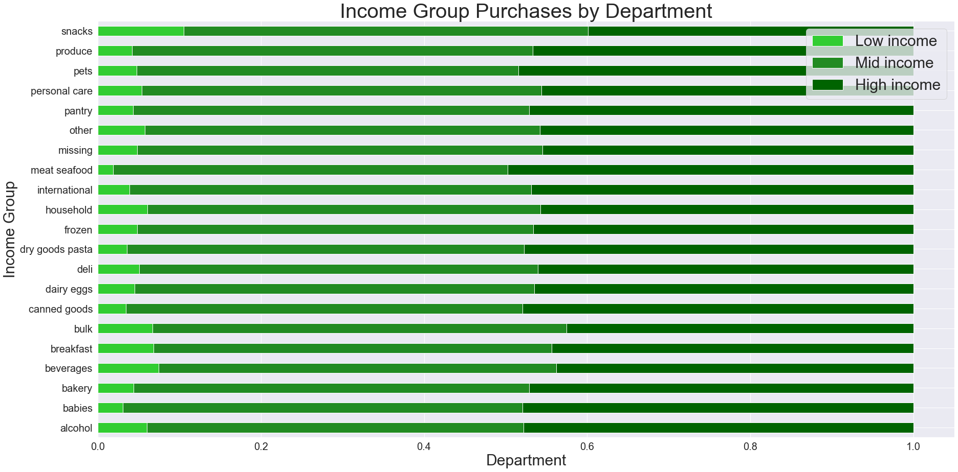
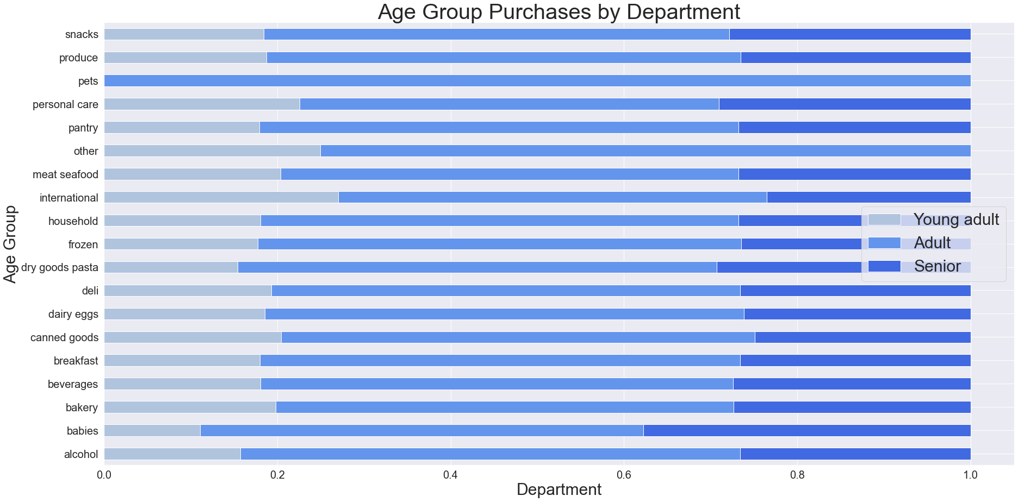
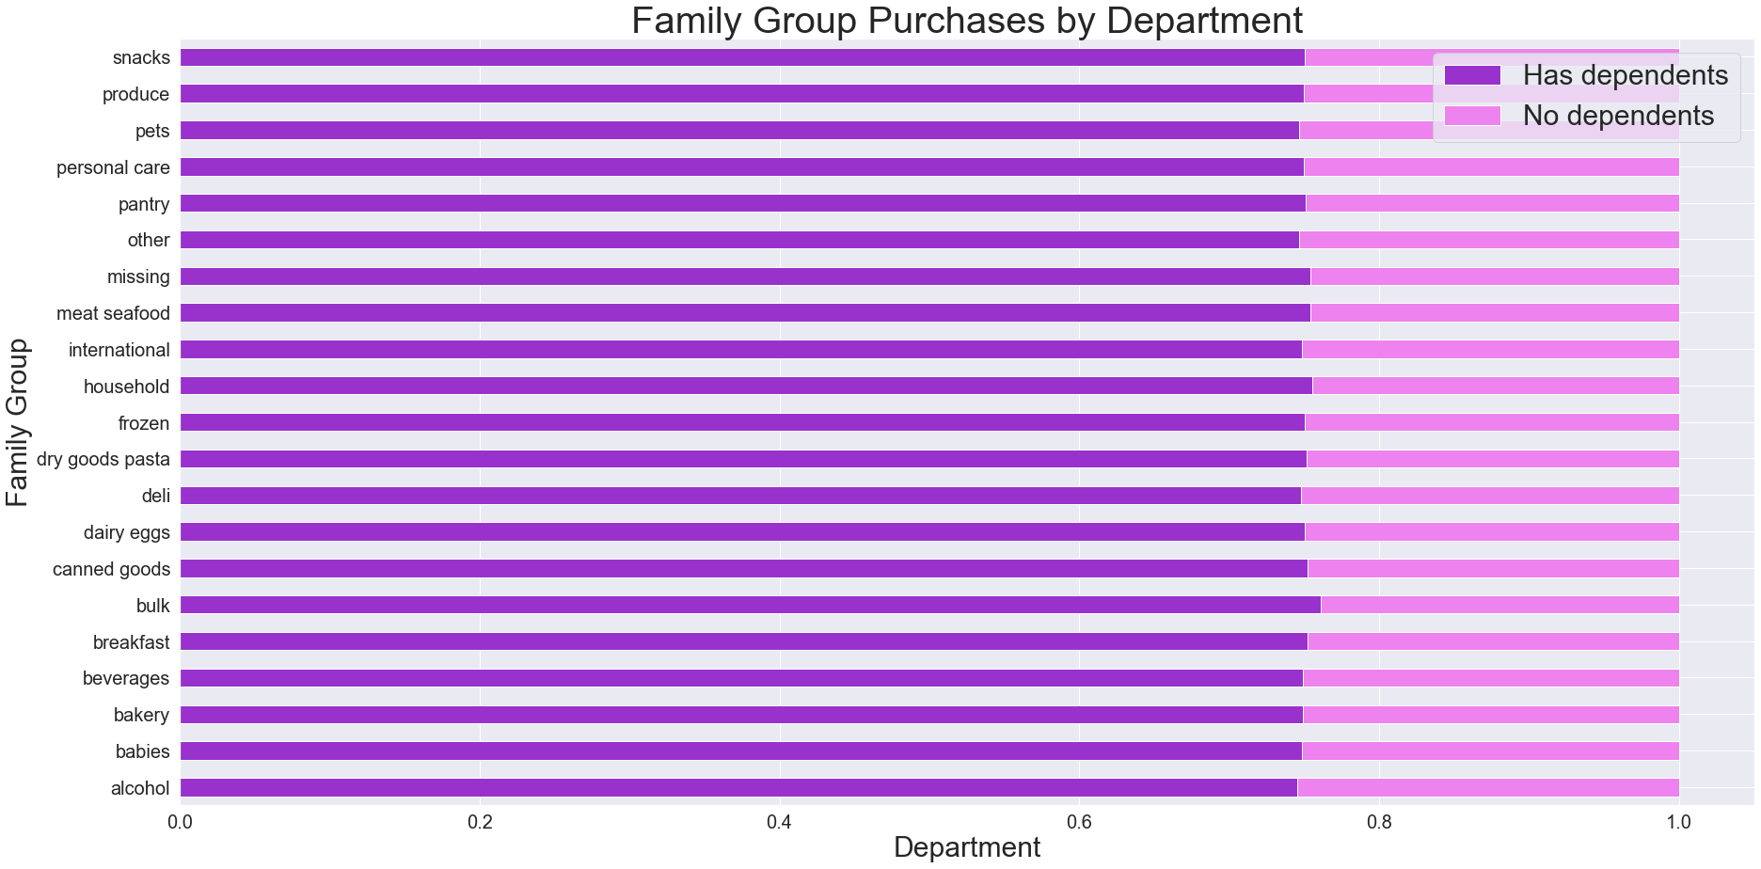
Visualizations

In this tab you should include all the visualtions from Exercises 4.9 and 4.10, alongside the questions from the project brief that they answer. Include any commentary on the relationship between different variables.

4.9 Visualizations

Bar Chart: Number of Orders Each Day | Bar Chart: Number of Orders by Loyalty Group
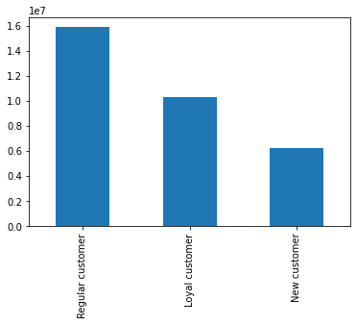


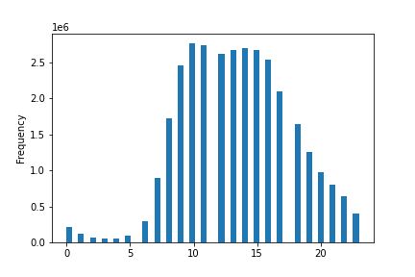
Histogram: Frequency of Prices | Histogram: Order Frequency by Hour of Day

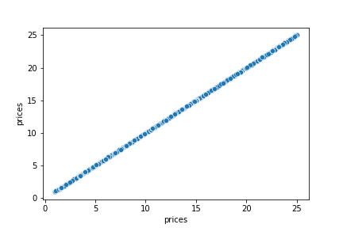

Scatterplot: Prices | Scatterplot: Age and Income

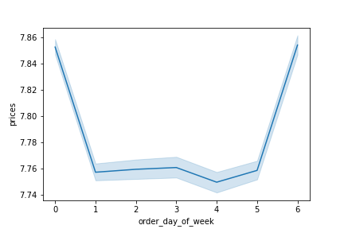
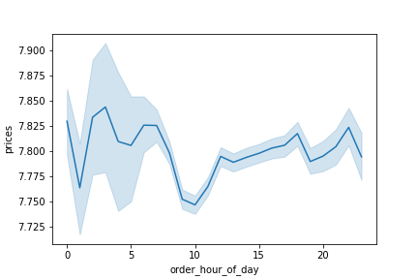
Line Chart: Prices for Each Day of Week | Line Chart: Prices by Hour of Day

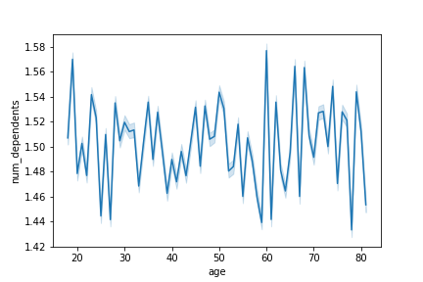
Line Chart: Age and Family Situation

4.10 Visualizations

7. Recommendations
Recommendations

In this tab you should include any recommendations you would made to Instcart in terms of their marketing strategy based on the questions posed in the brief. Every key question has been covered in the Tasks of the Exercises - here you need to add an item - a visualisation or table/crosstable that is showing the answer in the data, acompanied by a comment from you. Please, list the questions below and add the answer underneath.

Question | Answer | Support
The sales team needs to know what the busiest days of the week and hours of the days are in order to schedule ads at times when there are fewer orders. | Saturday and Sunday are the busiest days of the week and 9am - 5pm are the busiest hours of the day. Recommendation: The sales team should schedule ads on weekdays and in the early morning and evening.
They also want to know whether there are particular times of the day when people spend the most money, as this might inform the type of products they advertise at these times. | People spend the most amount of money late at night/early in the morning, particularly from 2am to 5pm. Recommendation: The most popular items sold at these times should be found in order to advertise them to customers and maximize profit.
Instacart has a lot of products with different price tags. Marketing and sales want to use simpler price range groupings to help direct their efforts. | The following pie chart displays the number of items Instacart offers in one of three price ranges: Low-range products are less than or equal to $5 Mid-range products are greater than $5 and less than or equal to $15 High-range products are greater than $15 | 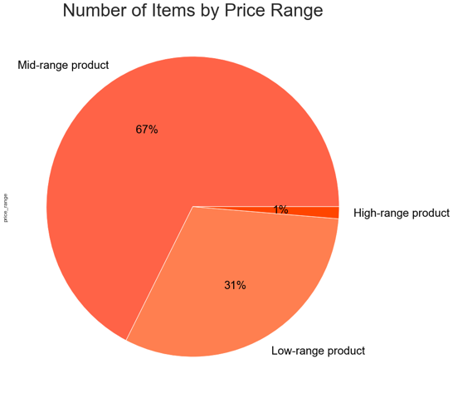
Are there certain types of products that are more popular than others? The marketing and sales teams want to know which departments have the highest frequency of product orders. | The following departments have the highest frequency of orders: 1. produce 2. dairy and eggs 3. snacks 4. beverages 5. frozen |  | Departments: 1 - frozen 2 - other 3 - bakery 4 - produce 5 - alcohol 6 - international 7 - beverages 8 - pets 9 - dry goods pasta 10 - bulk | 11 - personal care 12 - meat and seafood 13 - pantry 14 - breakfast 15 - canned goods 16 - dairy and eggs 17 - household 18 - babies 19 - snacks 20 - deli 21 - missing
The marketing and sales teams are particularly interested in the different types of customers in their system and how their ordering behaviors differ: ● What's the distribution among users in regards to their brand loyalty? ● Are there differences in ordering habits based on a customer's loyalty status? | ● Distribution of users based on brand loyalty: Regular customers: 76,864 New customers: 68,750 Loyal customers: 17,017 Distribution of orders based on brand loyalty: Regular customers: 15,876,776 orders Loyal customers: 10,284,093 orders New customers: 6,243,990 orders Recommendation: Loyal customers only make up 10% of customers but 32% of total orders; finding out which aspects of the service (customer service, convenience, prices, etc.) make loyal customers continuously choose Instacart could help find ways to turn new and regular customers into loyal ones. ● Average spending (prices) are roughly the same across loyalty groups: Loyal customers: 10.386336 New customers: 13.387725 Regular customers: 12.495717 Loyal customers tend to spend slightly less but order more frequently Average days between orders: Loyal customers: 6.458454 New customers: 18.191524 Regular customers: 13.299576 Recommendation: Loyal customers spend less on average but order more frequently. Encouraging customers to place more frequent orders could build the group of loyal customers and increase revenue.
● Are there differences in ordering habits based on a customer's region? ● Is there a connection between age and family status in terms of ordering habits? | ● The South has the most customers, followed by the West, Midwest, and then Northeast. The number of orders reflects this distribution as well. Spending habits are very similar across regions, as well: the proportion of items purchased in each price range across regions is very similar. ● There does not seem to be a connection between age and family status in terms of ordering habits when comparing price range of items purchased and brand loyalty. There is a connection between age and income, as older customers are more likely to have higher incomes, but that does not seem to lead to higher spending. |  | 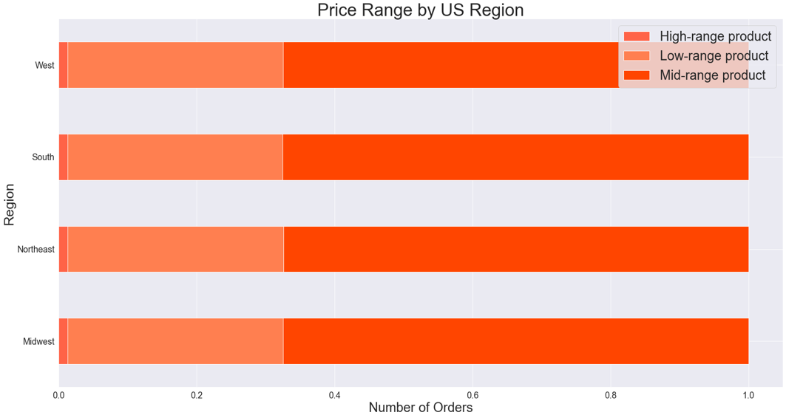 |  |  |  |  |  | 
● What different classifications does the demographic information suggest? ● What differences can you find in ordering habits of different customer profiles? | 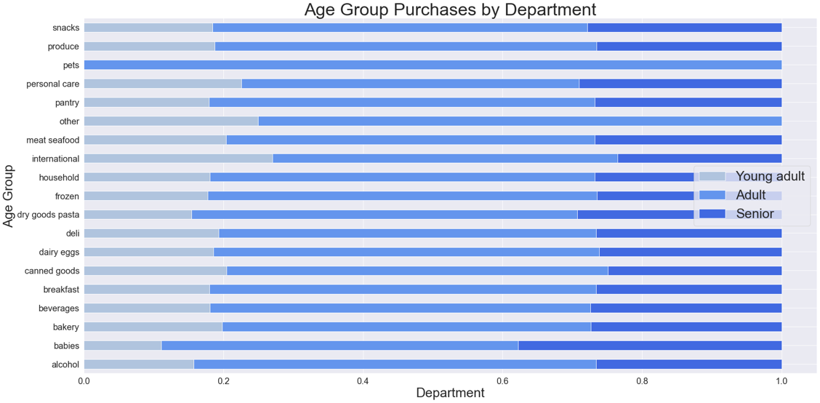 ● Customers are most likely to fall within the following groups: Mid-income (40k-100k) Adults (Ages 30-65) Have at least 1 dependent ● Most departments have similar distributions between age groups, with the exception of: - The pets category is exclusively purchased by Adults - The babies category is mostly purchased by Adults and Seniors All departments are mostly purchased by Adults and Seniors, but the following departments have slightly higher proportions of Young Adult purchases - Snacks - Breakfast - Beverages - Bulk All departments have very similar distributions between family groups. Although, there are slightly more purchases of bulk items by those with dependents. |  |  |  |  | 

